Graphical Flow
Enter Sub Tree
CallerInfoEF V1
Caller Info
CallerInfoEF [Caller Type Radiobutton and Inputbox]
Based on the answer, do the following:
- 911: add "Caller Type = 911"
- Internal : add "Caller Type = Internal/[Caller Type Inputbox Text]"
- Other: add "Caller Type = Other/[Caller Type Inputbox Text]"
LEGEND
Keyword List
Scenario
View
Pop-up
Popup
Override
Is Premise Confirmed?
Popup With Override
TRUE
FALSE
Error Message
!
Get Caller Type
Warning Message
CUSTOMER
--OR--
INTERNAL
911VerificationEF V1
City and County Verification
911 --OR-- OTHER
Attribute / Data Object / UI Method Call
Set / Return Attribute Back to UI
911VerificationEF V2
County and Township Verification
**Else**
Unsure of City --OR-- City Incorrect
Switch Tree
Sub-Tree
911 / Other Verification Successful?
If the caller cannot verify the location, then perform a switch to a non-premise order.
Create Notification Only
Create Notification and Order
TRUE
FALSE
NonPremiseSLEF
Non-Prem-Service Location Entry
Add to System Text
Comment

Exit Sub Tree

Caller Info
Create PP6 Section: | See Section "Caller info View"

Functionality:
- The "Call Back Phone" textfield must either be a 10 digit number, or "NO PHONE"
- If the "No Phone" checkbox is checked, the text "NO PHONE" is automatically input into the "Call Back Phone" textbox.
- If either the "Internal / CE Employee" or "Other" radiobutton option is selected, a textfield will appear to the right of the option (aligned with the option) for further input. If the user does not input anything into the textfield and clicks on the "Next" button, an error is displayed indicating that this field is mandatory.

Prem City-County-Township Conf
Create PP6 Section: | See Section "General Critical Call Processing", then sub-section "Confirmed Premise and Caller Type of 911 or Other"
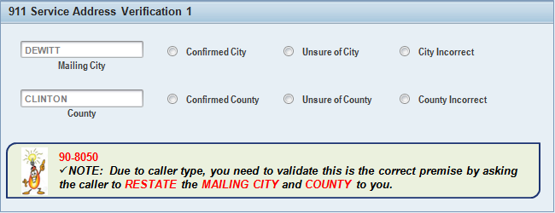

Functionality:
Initial Load of View:
The City field is populated with the IC Web confirmed premise city. The County and Township fields are poplulated by the special rule: Get County & Township from Connection Object (see worksheet tab "Rule-County&Township-Conn Obj" or click on the hyperlink associated with this shape)
User Process
If the user selects either "Unsure of City" or "City Incorrect", the Township verficiation row appears (2nd view), regardless of what radio button is selected in the County verification row.
The user must select one of the two following radio button pairings (if and only if the below pairings are selected, move onto the next view):
- "Confirmed City" and "Confirmed County"
- "Confirmed County" and "Confirmed Township"
If the user does not input the proper combinations as listed above, a system message should be displayed indicating that either the Confirmed City and Confirmed County --or-- County Confirmed and Confirmed Township radio buttons must be selected.
***The user should not be allowed to continue to the next screen unless the above inputs are performed correctly.

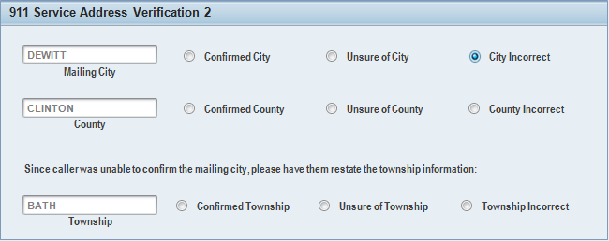

OLD Functionality:
Initial Load of View:
Pre-populate the text boxes using the following retrieval logic from the political regional structure table:
- City: Retrieve all regional structure text values from TE227T, where the hierarchy level (TE227-REGLEVEL) = 4.
- County: Retrieve all regional structure text values from TE227T, where the hierarchy level (TE227-REGLEVEL) = 2
- Township: leave blank (do not retrieve anything initially)
User Process
The user must select either a valid combination from the City / County row (County is optional in this case), or the County / Township row.
- If the user selects a City, the user has the option of also selecting a county (but this is optional).
- If the user selects a City and a County from the City / County row) and clicks the next button, validate that the selected City is within the selected County by doing the following:
^ Retrieve the element id (TE227T-REGPOLIT), where the regional structure text (TE227T-REGNAME) = [Text in City Dropdown]. Call these city element ids.
^ Retrieve all higher level element ids (TE227-UEBPOLIT) for all city element ids (TE227-REGPOLIT). Call this list the county element ids.
^ Retrieve all regional structure texts (TE227T-REGNAME) for all county element ids (TE227-REGPOLIT). Call these County Names.
^ If the [Text in County Dropdown] is one of the County Names, then this combination is valid and continue to the next view. Otherwise, display an error "City / County combination is not valid. Please choose again before proceeding."
- If the user selects a City, then a County and/or Township from the County / Township row, then clicks on the Next button, display an error "Only one combination from either the City / County row or County / Township row can be selected, not both"
- If the user selects a County from the County / Township row, immediatly populate the Township dropdown box , by following these steps:
^ Retrieve all higher level element ids (TE227-UEBPOLIT), where the element id (TE227-REGPOLIT) = [Text in Township Dropdown]. Call this list the county element ids.
^ Retrieve all regional structure texts (TE227T-REGNAME) for all county element ids (TE227T-REGPOLIT). Call this County Names.
^ If the [Text in County Dropdown] is one of the County Names, then the combination is valid and continue to the next view. Otherwise, display an error "County / Township combination is not valid. Please choose again before proceeding."
- If the user selects a County from the County / Township row without selecting anaything else, then clicks on the Next button, display an error "Selecting a Township is mandatory when selecting a County from the County / Township row"
- If the user selects a County from the County / Township row, then selects a City or County from the City / County row, display an error "Only one combination from either the City / County row or County / Township row can be selected, not both"
- If the user selects a County and a Township from the County / Township row, and clicks on the next button, validation is complete and continue to the next screen.

Non-Prem Service Location Entry
Create PP6 Section: | See Section "Non-Premise orders and rules- city, county + township"
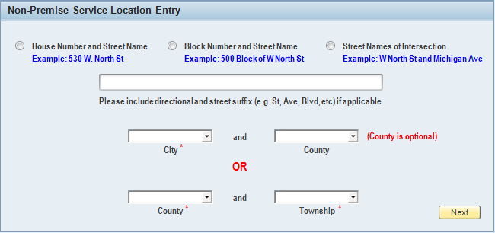
Functionality:
Initial Load of View:
Load all 4 drop down boxes using the logic as explained in the special rule: Get City, County, Township via the Regional Political Structure (See the worksheet tab "Rule-Get City&County&Twnshp-PRS" or click on the hyperlink associated with this shape).
User Process:
The user must select one of the location type radio buttons (on the top) and then fill in the location description that is applicable to the location type. If the user does not do this and clicks on the next button, return a system message indicating that a valid selection from the location type radio button group must be made and the description textfield must not be blank.
In addition, the user must enter one of the following combinations:
- A City from the City / County row.
- A City / County combination that is valid from the City / County row.
- A County and Township combination that is valid from the County / Township row.
If the user does NOT enter one of the combinations from above and clicks on the Next button, then a system message should be displayed indicating that either a valid City, or City / County or County / Township Combination must be entered.
***The user should not be allowed to continue to the next screen unless the above inputs are performed correctly.
NOTE: Filtering should happen upon a selection in any of the dropdowns. Thus, if a city is selected, only the appropriate counties should display that contain that city. Likewise, if the County is selected in the County / Township row, then only the appropriate townships for the selected county should show.
Upon Clicking The Next Button:
Verification needs to take place to make sure that either the City / County combination or County / Township combination is valid, by following this logic:
- City / County Verification: Select all REGPOLIT from V_TE227_A where REGLEVEL = 04 and REGNAME = [City Drop Down Box Text]. Call this the City ID List. Retrieve all UEBPOLIT from TE227, where REGLEVEL = 02 and REGPOLIT in City ID List. Call this the County ID List. Retrieve all REGNAME from TE227T where REGPOLIT in County ID List. Call this the Counties. Make sure that the [County drop box text] is in the list of Counties. If not, the verification has failed.
- County / Township Verification: Select all REGPOLIT from V_TE227_A where REGLEVEL = 03 and REGNAME = [Township Drop Down Box Text]. Call this the Township ID List. Retrieve all UEBPOLIT from TE227, where REGLEVEL = 02 and REGPOLIT in Township ID List. Call this the County ID List. Retrieve all REGNAME from TE227T where REGPOLIT in County ID List. Call this the Counties. Make sure that the [County drop box text] is in the list of Counties. If not, the verification has failed.

It was determined that these should be bubble boxes and not drop down boxes

